Instructions
 | METHODOLOGY FOR SAFETY ORIENTED INFORMATION SECURITY RISK MANAGEMENT

 | INSTRUCTIONS

 |  | Date
DESCRIPTION:

This tool supports an organization’s Information Security Risk Management Process for information systems, following the Safety-Oriented Information Security (SOIS) approach defined in EUROCAE ER-040, Chapter 4. It provides a consistent, traceable, and repeatable process for identifying, analyzing, evaluating, and treating risks that may affect both information security and aviation safety.

Risk Management Methodology Phases:

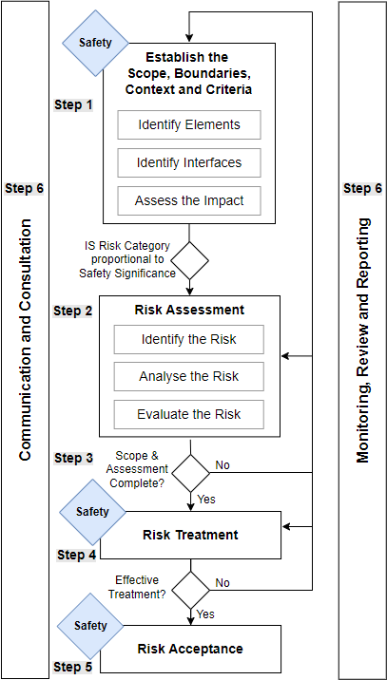
The risk-management process follows the safety-oriented information-security framework defined in ER-040 Chapter 4, ensuring traceability between information-security risks and potential aviation-safety consequences. It consists of the following iterative phases:
Step 1 - Scoping and Context Establishment Define the assessment boundary, objectives, and relevant stakeholders. Identify the organizational context, operational environment, applicable regulatory requirements, and interfaces that may influence risk propagation. Classify all assets and elements according to their safety significance using the criteria and scales provided in ER-040 Tables 4-3 to 4-6. Establish the linkage between information assets, safety-relevant elements, and supporting assets.
Step 2 - Risk Identification Identify events or conditions that could adversely affect confidentiality, integrity, or availability of information assets and potentially lead to a safety-significant condition. Threats and vulnerabilities should be catalogued considering both internal and external sources and their possible propagation paths toward safety consequences.
Step 3 - Risk Assessment Analyze identified risks to determine their likelihood and impact: Evaluate likelihood in accordance with ER-040 Table 4-4 (Likelihood of Threat Occurrence). Evaluate impact based on ER-040 Table 4-3 (Safety Impact Categories). The analysis considers inherent risk before controls are applied and residual risk after existing or proposed controls are taken into account.
Step 4 - Risk Treatment Define, implement, and document treatment options to reduce risks to acceptable levels. Treatment options include: Mitigate through technical or procedural controls Transfer (e.g., through contracts or insurance) Avoid (by removing the risk source) Accept (with justification and approval) Treatment effectiveness should be verified and validated as described in ER-040 sections 4.5.4 and 4.7.2. Residual risks are then reassessed against the same acceptance criteria.
Step 5 - Risk Acceptance Formally record decisions regarding residual-risk acceptance. Acceptance should be based on the evaluation against ER-040 Table 4-5 and approved within the organization’s governance framework. Unacceptable or unmitigated risks must trigger further treatment or escalation.
Step 6 - Communication, Monitoring and Improvement Establish mechanisms for continuous communication of risk information across stakeholders. Monitor the effectiveness of controls and the evolution of the risk landscape. Regularly review and improve the process following ER-040 Section 4.7 to maintain alignment with regulatory and operational changes.

Assessment Criteria
Adapt this section based on your own probability and safety severity scale defined in your SMS

Probability Scale |  |  | Risk Evaluation Matrix |  |  |  |  |  | Decision Path
Likelihood | Score | Description | Impact ↓ \ Probability → | Frequent | Probable | Remote | Improbable | Extremely Improbable
Frequent | 5 | An information-security event of this type is likely to happen within the next month somewhere in the company fleet or supporting ground infrastructure. | Catastrophic | 5A | 5B | 5C | 5D | 5E | Green = Acceptable,
Probable | 4 | An event is likely to happen within the next six months; credible capability and opportunity already exist. | Hazardous | 4A | 4B | 4C | 4D | 4E | Amber = Conditionally Acceptable (ALARP),
Remote | 3 | An event is likely to happen once within the next two years; exploitation requires specific conditions but remains plausible. | Major | 3A | 3B | 3C | 3D | 3E | Red = Not Acceptable (treatment required).
Improbable | 2 | An event is likely to happen once within the next five years; it would demand unusual circumstances or significant attacker effort. | Minor | 2A | 2B | 2C | 2D | 2E
Extremely Improbable | 1 | Highly unlikely to occur, less than once in the next ten years given current technology, threat intelligence and planned control upgrades. | Negligible | 1A | 1B | 1C | 1D | 1E

Safety Impact Scale
Severity | Score | Description
Catastrophic | A | Multiple fatalities, hull loss, uncontrolled flight
Hazardous | B | Serious or fatal injuries, major aircraft damage
Major | C | Significant crew workload, passenger injury, serious schedule disruption
Minor | D | Manageable crew workload, small passenger discomfort, minor repair
Negligible | E | No noticeable effect on safety or operations

Risk Sharing Criteria
Shared Risk |  | Notify the external party identified in the asset register that a residual risk requires treatment or acceptance. Include comparability tags (Threat Condition, Level of Threat) in the notice.
Internal Risk |  | The risk is internal and managed solely within company.

Does the asset contain
information on any of the
following:
Type design definition,
including dimensions, specs,
limits?
Life limits (ALS/TLM) or
approved maintenance data including maintenance inspection intervals or limits? Or
manufacturing instructions or
inspection data including limits
Does the asset have a direct
effect on the product?
YES
Does the asset have a direct
and immediate effect on the product or its operation in service? (ie no downstream controls to detect changes before PS impact)
YES
Group 1
NO
Group 2
YES
Group 3
NO
Does the asset effect a
safety relevant
business process?
NO
YES
Can a breach of
this asset contribute to a security scenario?
Group 4
NO
Group 5
ASSET SAFETY SIGNIFICANCE GROUP CRITERIA
IS Asset |  | Description

Group 5 |  | No potential impact to Aviation Safety
Group 4 |  | Leak of valuable information on an infrastructure that could help an attacker to execute the attack
Group 3 |  | Impact on a safety relevant business process that would impact an organization's ability to handle safety events. Reduction in safety margin of the product
Group 2 |  | Could have a safety impact but is expected to be detected and corrected before the safety effect can materialize. For example, defects on aircraft parts wrongly produced due to corrupted design data can be detected through quality tests performed on the part.
Group 1 |  | Cause an immediate or short-term aviation safety effect or cause a hidden defect leading to a delayed and likely aviation safety effect.

 |  |  |  |  |  |  | IS Asset
 |  |  |  |  |  |  | Group
 |  |  |  |  |  |  | Group 5
 |  |  |  |  |  |  | Group 4
 |  |  |  |  |  |  | Group 3
 |  |  |  |  |  |  | Group 2
 |  |  |  |  |  |  | Group 1

5. Inherit Probability
 | ASSET | SERVICES | DATA | APPLICATIONS | COMPUTER EQUIPMENT | COMMUNICATIONS NETWORKS | INFORMATION STORAGE | AUXILIARY EQUIPMENT | FACILITIES / LOCATIONS | PERSONNEL
ID | 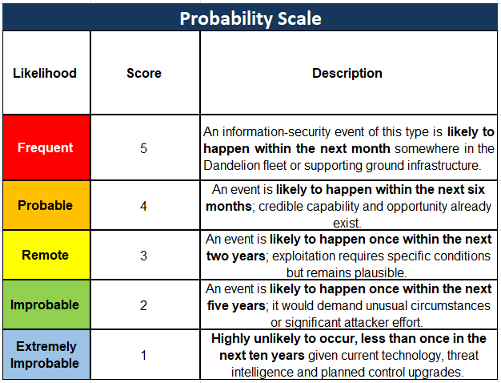 THREAT SCENARIO | Provide the specific name or description of the asset (e.g., Maintenance Records Server, Office 365 Tenant, VPN Gateway). Use clear, concise terms recognizable across the organization. |  |  | Maintenaince record Server
 | When developing threat scenarios, analysts should describe how an information security event could propagate through interconnected assets and processes to produce effects on aviation safety. Each scenario should link the identified assets, their safety significance group, the relevant vulnerabilities, and threats from the catalog, explaining how a compromise in one element (e.g., data integrity, system availability, or human reliability) could influence operational or safety outcomes. For instance, a ransomware attack on a maintenance records server may render airworthiness documentation inaccessible, delaying aircraft release or causing reliance on unverified data. The objective is to trace a clear cause-and-effect path—from threat, through vulnerability and affected assets, to potential safety impact—so that each risk entry captures not only the technical exposure but also its possible consequences for airworthiness, operational continuity, and regulatory compliance.
 | a ransomware attack on a maintenance records server may render airworthiness documentation inaccessible, delaying aircraft release or causing reliance on unverified data. |  |  |  | 4

6. Inherit Impact
 | ASSET | SERVICES | DATA | APPLICATIONS | COMPUTER EQUIPMENT | COMMUNICATIONS NETWORKS | INFORMATION SUPPORT | AUXILIARY EQUIPMENT | FACILITIES | PERSONNEL
ID | 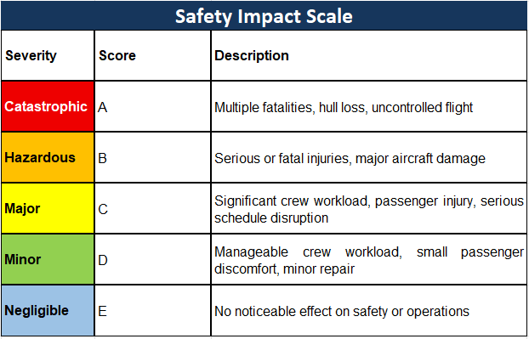 THREAT SCENARIO | Provide the specific name or description of the asset (e.g., Maintenance Records Server, Office 365 Tenant, VPN Gateway). Use clear, concise terms recognizable across the organization. |  |  | Maintenaince record Server

 | a ransomware attack on a maintenance records server may render airworthiness documentation inaccessible, delaying aircraft release or causing reliance on unverified data. |  |  |  | C

7. Inherit Risk
 | ASSET | SERVICES | DATA | APPLICATIONS | COMPUTER EQUIPMENT | COMMUNICATIONS NETWORKS | INFORMATION SUPPORT | AUXILIARY EQUIPMENT | FACILITIES | PERSONNEL
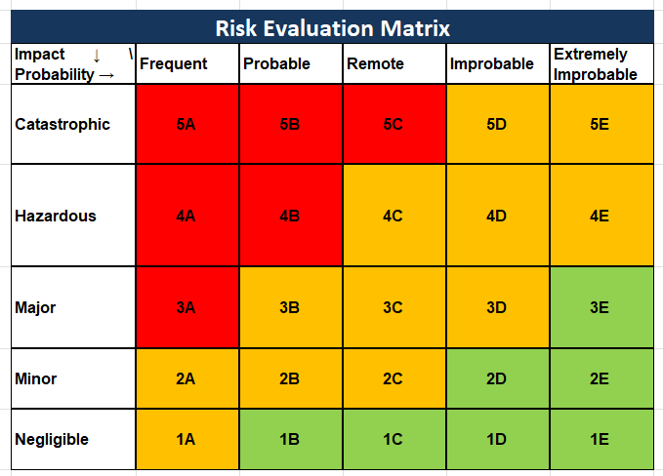 ID | THREAT SCENARIO | Provide the specific name or description of the asset (e.g., Maintenance Records Server, Office 365 Tenant, VPN Gateway). Use clear, concise terms recognizable across the organization. |  |  | Maintenaince record Server

 | a ransomware attack on a maintenance records server may render airworthiness documentation inaccessible, delaying aircraft release or causing reliance on unverified data. |  |  |  | 4C

Dashboard
Risk Evaluation Matrix |  |  |  |  |  | Inherit Risk |  |  |  |  |  | Residual Risk |  |  |  |  |  | SHARED RISK | 0
Impact ↓ \ Probability → | Frequent | Probable | Remote | Improbable | Extremely Improbable | Impact ↓ \ Probability → | Frequent | Probable | Remote | Improbable | Extremely Improbable | Impact ↓ \ Probability → | Frequent | Probable | Remote | Improbable | Extremely Improbable | INTERNAL RISK | 1
Catastrophic | 5A | 5B | 5C | 5D | 5E | Catastrophic | 0 | 0 | 0 | 0 | 0 | Catastrophic | 0 | 0 | 0 | 0 | 0 | Acceptable | 0
Hazardous | 4A | 4B | 4C | 4D | 4E | Hazardous | 0 | 0 | 1 | 0 | 0 | Hazardous | 0 | 0 | 0 | 0 | 0 | ALARP | 1
Major | 3A | 3B | 3C | 3D | 3E | Major | 0 | 0 | 0 | 0 | 0 | Major | 0 | 0 | 0 | 0 | 0 | Not Acceptable | 0
Minor | 2A | 2B | 2C | 2D | 2E | Minor | 0 | 0 | 0 | 0 | 0 | Minor | 0 | 0 | 1 | 0 | 0
Negligible | 1A | 1B | 1C | 1D | 1E | Negligible | 0 | 0 | 0 | 0 | 0 | Negligible | 0 | 0 | 0 | 0 | 0
Risk Sharing Status
Acceptance Status

